Order Form
#ReadBetter
Black Authors
Order Form
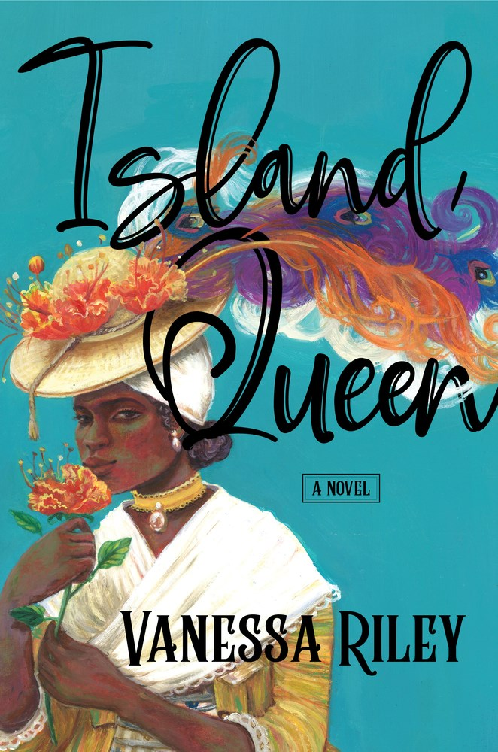  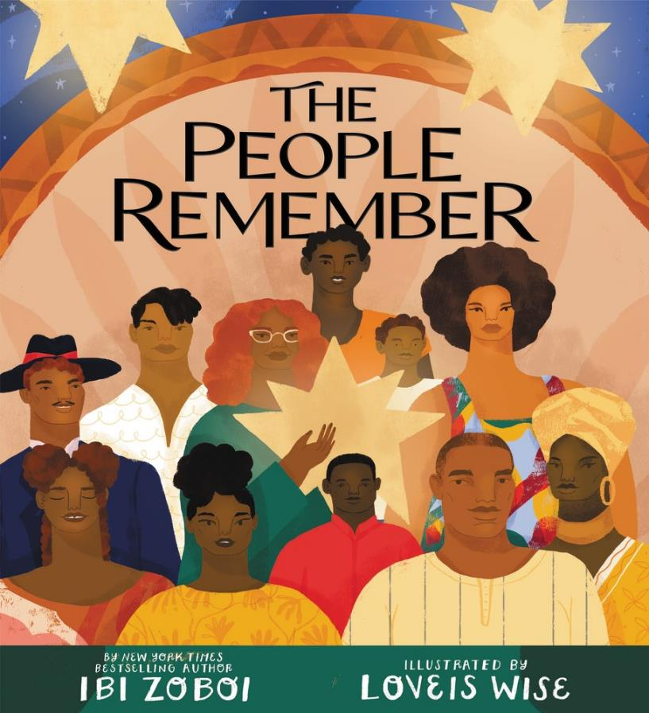  
Customer Account #:
Name of Account:
Date:
PO #:
Total Discount %:
Backorder Cancel Date:
Qty. | ISBN | Title | Author | Format | Price | On Sale
Adult
 | 9780063144583 | Deception | Montgomery, Selena | PB | $19.99 | 2021-12-28
 | 9780062959775 | Calm Chaos, A | Walker, Imani J. | HC | $31.99 | 2021-12-28
 | 9780063144576 | Reckless | Montgomery, Selena | PB | $19.99 | 2021-11-30
 | 9780063088948 | Teller of Secrets, The | Adjapon, Bisi | HC | $33.50 | 2021-11-16
 | 9780063028654 | Reclamation | White, Gayle Jessup | HC | $34.99 | 2021-11-16
 | 9780062968357 | Dwyane | Wade, Dwyane | HC | $43.50 | 2021-11-16
 | 9780062845931 | How to Be Heard | Gay, Roxane | HC | $33.50 | 2021-11-16
 | 9780785241140 | Divine Disruption | Evans Hurst Shirer | HC | $31.00 | 2021-11-09
 | 9780062987662 | Girl Gurl Grrrl | Hunt, Kenya | PB | $21.00 | 2021-11-09
 | 9780063205635 | All Her Little Secrets Intl | Morris, Wanda M. | PB | $23.99 | 2021-11-02
 | 9780063098152 | Speaking of Race | Headlee, Celeste | HC | $34.99 | 2021-11-02
 | 9780063072237 | Life, I Swear | Louvouezo, Chloe Dulce | HC | $36.99 | 2021-11-02
 | 9780063144552 | Secrets and Lies | Montgomery, Selena | PB | $19.99 | 2021-10-26
 | 9780063037038 | As the Wicked Watch | Hall, Tamron | HC | $34.99 | 2021-10-26
 | 9780062913234 | Illustrated Black History | McCalman, George | HC | $44.99 | 2021-10-26
 | 9780062977403 | South to America | Perry, Imani | HC | $35.99 | 2021-10-26
 | 9781443465243 | Shut Out | Saunders, Bernie | HC | $33.99 | 2021-10-19
 | 9780063082366 | Social Justice Parenting | Baxley, Traci | HC | $34.99 | 2021-10-19
 | 9781400226238 | Diversity Gap | Wilkinson Bethaney | HC | $34.99 | 2021-10-12
 | 9780310363408 | Not So Black and White | Dabbs Driver | PB | $23.99 | 2021-10-12
 | 9780063079328 | Dorothy Dandridge | Bogle, Donald | PB | $28.50 | 2021-10-12
 | 9780063028708 | Bad Fat Black Girl | Bowen, Sesali | HC | $31.00 | 2021-10-05
 | 9781335522542 | Rise Up | Sharpton Al | PB | $22.99 | 2021-09-28
 | 9780063144514 | Hidden Sins | Montgomery, Selena | PB | $19.99 | 2021-09-28
 | 9780063080287 | Feeding the Soul (Because It's My Business) | Brown, Tabitha | HC | $34.99 | 2021-09-28
 | 9780063017597 | Matter of Black Lives, The | Cobb, Jelani | HC | $44.50 | 2021-09-28
 | 9781443460354 | What Storm, What Thunder | Chancy, Myriam J.A. | PB | $24.99 | 2021-09-14
 | 9780063160644 | Make Good the Promises | Conwill, Kinshasha Holman | HC | $31.00 | 2021-09-14
 | 9780063073357 | America Made Me a Black Man | Farah, Boyah J. | HC | $29.99 | 2021-09-14
 | 9780063031661 | Miss Chloe | Verdelle, A. J. | HC | $31.00 | 2021-09-14
 | 9780063010789 | Mama Bear | Smith, Shirley | HC | $34.99 | 2021-09-14
 | 9780062979933 | You Got Anything Stronger? | Union, Gabrielle | HC | $34.99 | 2021-09-14
 | 9781443465823 | Libertie | Greenidge, Kaitlyn | PB | $24.99 | 2021-09-07
 | 9780063139039 | Beasts of No Nation | Iweala, Uzodinma | PB | $12.50 | 2021-09-07
 | 9780063139015 | Uncle Tom's Children | Wright, Richard | PB | $12.50 | 2021-09-07
 | 9781335918062 | Foolish Hearts | Williams Synithia | MM | $12.99 | 2021-08-24
 | 9780063012035 | Ramadan Ramsey | Edwards, Louis | HC | $36.99 | 2021-08-10
 | 9781335773227 | The Wildest Ride | Bell Marcella | PB | $21.99 | 2021-08-10
 | 9781400231607 | Finding the Good | Johnson Lucas | PB | $21.99 | 2021-08-03
 | 9780063161382 | Black Girls Must Die Exhausted Intl | Allen, Jayne | PB | $23.99 | 2021-08-03
 | 9780063091535 | Year of Plagues | D'Aguiar, Fred | HC | $33.50 | 2021-08-03
 | 9780062964588 | Sisters in Arms | Alderson, Kaia | PB | $21.00 | 2021-08-03
 | 9780063035041 | When the Reckoning Comes | McQueen, LaTanya | PB | $21.00 | 2021-08-03
 | 9780062942937 | Love Songs of W.E.B. Du Bois, The | Jeffers, Honoree Fanonne | HC | $35.99 | 2021-07-27
 | 9780063079595 | Minister Primarily, The | Killens, John Oliver | HC | $34.99 | 2021-07-27
 | 9780008449292 | Live the Lizzo Way | Kasambala, Natty | HC | $15.99 | 2021-07-20
 | 9780785238041 | Agent You | Lynn Nicole | HC | $33.50 | 2021-07-13
 | 9780063002845 | Island Queen | Riley, Vanessa | HC | $34.99 | 2021-07-06
 | 9780063048478 | Collection Plate, The | Allen, Kendra | HC | $33.50 | 2021-07-06
 | 9780062873064 | Wandering in Strange Lands | Jerkins, Morgan | PB | $21.00 | 2021-07-06
 | 9780310126737 | Still Breathing | Llewelyn Packer | HC | $31.99 | 2021-06-29
 | 9780062959829 | Nobody Knows the Trouble I’ve Seen | Burnett-Zeigler, Inger | HC | $31.00 | 2021-06-29
 | 9780008364571 | LUCKY | Edwards, Rachel | PB |  | 2021-06-24
 | 9780778388029 | Saving Ruby King | West Catherine | PB | $21.99 | 2021-06-22
 | 9780063071995 | Pops | Melvin, Craig | HC | $33.50 | 2021-06-15
 | 9780062879295 | Where You Are Is Not Who You Are | Burns, Ursula | HC | $34.99 | 2021-06-15
 | 9780063072756 | How to Survive America | Hughley, D. L. | HC | $34.99 | 2021-06-15
 | 9780062961716 | Cack-Handed | Yashere, Gina | HC | $33.50 | 2021-06-08
 | 9780062981417 | Dick Gregory's Natural Diet for Folks Who Eat | Gregory, Dick | PB | $21.99 | 2021-06-08
 | 9780008404505 | Giving A Damn | Williams, Patricia | HC | $15.99 | 2021-06-08
 | 9780063036246 | Terraform | Propaganda | HC | $31.00 | 2021-06-08
 | 9780062248589 | Memorial Drive | Trethewey, Natasha | PB | $21.00 | 2021-06-01
 | 9781443458375 | Solitary | Woodfox, Albert | PB | $21.00 | 2021-06-01
 | 9780063040298 | Lowcountry Bride, A | Williams, Preslaysa | PB | $19.99 | 2021-06-01
 | 9780062897664 | My Remarkable Journey | Johnson, Katherine | HC | $31.99 | 2021-05-25
 | 9780062934000 | How to Find a Princess | Cole, Alyssa | MM | $10.99 | 2021-05-25
 | 9781400223336 | Checking In | Williams Michelle | HC | $33.50 | 2021-05-25
 | 9780062917461 | My Vanishing Country | Sellers, Bakari | PB | $21.99 | 2021-05-18
 | 9780062905673 | Catherine House | Thomas, Elisabeth | PB | $21.00 | 2021-05-18
 | 9781400213795 | Get Over "I Got It" | Fluker Elayne | PB | $24.99 | 2021-05-11
 | 9780062984517 | Everyone's Table | Gourdet, Gregory | HC | $46.50 | 2021-05-11
 | 9781400221622 | We Should All Be Millionaires | Rodgers Rachel | HC | $36.99 | 2021-05-04
 | 9780062994172 | Summer on the Bluffs | Hostin, Sunny | HC | $34.99 | 2021-05-04
 | 9780008444358 | Walls of Jericho, The | Fisher, Rudolph | PB | $18.99 | 2021-05-04
 | 9780063031173 | Live Free | Franklin, DeVon | HC | $34.99 | 2021-05-04
 | 9781335502988 | The Road to Rose Bend | Simone Naima | MM | $12.99 | 2021-04-27
 | 9780063026445 | Sure, I'll Be Your Black Friend | Philippe, Ben | PB | $21.99 | 2021-04-27
 | 9781335250988 | Follow Your Heart | Jackson Brenda | HC | $35.99 | 2021-04-27
 | 9781443465809 | Libertie | Greenidge, Kaitlyn | HC | $32.99 | 2021-04-13
 | 9780063031562 | Permission to Dream | Gardner, Chris | HC | $29.99 | 2021-04-13
 | 9780785240440 | When Stars Rain Down | Jackson Brown Angela | PB | $21.99 | 2021-04-13
 | 9780062932563 | We Are Each Other’s Harvest | Baszile, Natalie | HC | $36.99 | 2021-04-06
 | 9780062873088 | Caul Baby | Jerkins, Morgan | HC | $34.99 | 2021-04-06
 | 9780785235583 | Woman Evolve | Roberts Sarah Jakes | PB | $23.99 | 2021-04-06
 | 9780008385941 | Breaking Out | Nix, Janice | PB | $18.99 | 2021-03-30
 | 9780008314668 | Homecoming | Goldie, Luan | PB | $18.99 | 2021-03-30
 | 9780063068308 | Remote Work Revolution | Neeley, Tsedal | HC | $36.99 | 2021-03-30
 | 9780062913203 | Lakewood | Giddings, Megan | PB | $21.99 | 2021-03-16
 | 9781335146564 | The Jigsaw Man | Matheson Nadine | HC | $34.99 | 2021-03-16
 | 9780062941275 | Act Your Age, Eve Brown | Hibbert, Talia | PB | $19.99 | 2021-03-09
 | 9780063009486 | Raceless | Lawton, Georgina | PB | $22.99 | 2021-02-23
 | 9780778311027 | Honey Girl | Rogers Morgan | PB | $21.99 | 2021-02-23
 | 9780063081352 | Anti-Racist Ally | Williams, Sophie | PB | $19.99 | 2021-02-16
 | 9780063011328 | Officer's Daughter, The | Johnson, Elle | HC | $34.99 | 2021-02-16
 | 9780785234302 | Dance Your Dance | Gibson Laurieann | HC | $31.00 | 2021-02-16
 | 9780008342623 | Loud Black Girls | Adegoke, Yomi | PB | $22.99 | 2021-02-02
 | 9780008342616 | Loud Black Girls | Adegoke, Yomi | HC | $32.99 | 2021-02-02
 | 9781443460415 | How the One-Armed Sister Sweeps Her House | Jones, Cherie | PB | $23.99 | 2021-01-26
 | 9781443457828 | Gutter Child | Richardson, Jael | PB | $24.99 | 2021-01-26
 | 9780062931061 | Just as I Am | Tyson, Cicely | HC | $35.99 | 2021-01-26
 | 9780062964083 | Infinitum | Fielder, Tim | HC | $34.99 | 2021-01-19
 | 9780062979063 | Rib King, The | Hubbard, Ladee | HC | $34.99 | 2021-01-19
 | 9780008216474 | Conjure-Man Dies: A Harlem Mystery, The | Fisher, Rudolph | PB | $17.99 | 2021-01-19
 | 9780008305383 | Woman of Firsts, A | Ismail, Edna Adan | PB | $18.99 | 2021-01-19
 | 9780062951687 | Coyotes of Carthage, The | Wright, Steven | PB | $21.00 | 2021-01-12
 | 9780310360865 | Turn Your Season Around | Strawberry Darryl | PB | $23.99 | 2021-01-12
 | 9780062915801 | Hitting a Straight Lick with a Crooked Stick | Hurston, Zora Neale | PB | $21.99 | 2021-01-05
 | 9780008342609 | Slay In Your Lane: The Journal | Adegoke, Yomi | PB | $21.99 | 2021-01-05
 | 9780008440428 | Whites | Uwagba, Otegha | PB | $12.99 | 2021-01-05
 | 9780008443993 | Everyone Versus Racism | Hutchinson, Patrick | HC | $19.99 | 2021-01-05
 | 9781443461412 | Get Your $hit Together | Jassem, Aleks | PB | $22.99 | 2020-12-15
 | 9780062987648 | Girl Gurl Grrrl | Hunt, Kenya | HC | $33.50 | 2020-12-08
 | 9780062890573 | Think Black | Ford, Clyde W. | PB | $21.00 | 2020-12-08
 | 9780008435929 | Power of Privilege, The | Sarpong, June | PB | $9.99 | 2020-11-24
 | 9780008403492 | Narrative of the Life of Frederick Douglass | Douglass, Frederick | MM | $5.99 | 2020-11-24
 | 9780062930293 | Little Book of Big Lies, The | Lifford, Tina | PB | $21.00 | 2020-11-17
 | 9781335050120 | Hurricanes | Ross Rick | PB | $22.99 | 2020-11-03
 | 9781443460088 | Off Script | Ien, Marci | HC | $29.99 | 2020-10-27
 | 9780062992031 | Reclaiming Her Time | Andrews-Dyer, Helena | HC | $33.50 | 2020-10-20
 | 9780062995285 | Make Me Rain | Giovanni, Nikki | HC | $24.99 | 2020-10-20
 | 9780062918000 | Diamond Doris | Payne, Doris | PB | $21.00 | 2020-10-06
 | 9781335966629 | Rise Up | Sharpton Al | HC | $34.99 | 2020-09-29
 | 9780008314637 | Homecoming | Goldie, Luan | PB | $23.99 | 2020-09-29
 | 9780062950871 | I Am These Truths \ Yo soy estas verdades (Spanish edition) | Hostin, Sunny | PB | $21.00 | 2020-09-22
 | 9780062950826 | I Am These Truths | Hostin, Sunny | HC | $34.99 | 2020-09-22
 | 9780062981356 | Dick Gregory's Political Primer | Gregory, Dick | PB | $21.99 | 2020-09-15
 | 9780062999719 | Short Life and Curious Death of Free Speech in America, The | Cose, Ellis | HC | $29.99 | 2020-09-15
 | 9780062850249 | Sweat the Technique | Rakim | PB | $21.00 | 2020-09-15
 | 9780061259234 | Great Migration, The | Greenfield, Eloise | PB | $10.99 | 2020-09-15
 | 9780062982650 | When No One Is Watching | Cole, Alyssa | PB | $21.99 | 2020-09-01
 | 9780062692917 | America's Game | Rice, Jerry | PB | $21.00 | 2020-08-25
 | 9780062976765 | Say It Louder! | Cross, Tiffany | PB | $21.99 | 2020-07-07
 | 9780008305147 | No Win Race | Bardowell, Derek A. | PB | $19.99 | 2020-06-30
 | 9780062890597 | This Is Major | Lawson, Shayla | PB | $21.00 | 2020-06-30
 | 9780062934222 | Secret Women, The | Williams, Sheila | PB | $21.99 | 2020-06-09
 | 9781443456203 | Confessions of Frannie Langton, The | Collins, Sara | PB | $19.99 | 2020-05-26
 | 9780062876652 | Love Prison Made and Unmade, The | Roberts, Ebony | PB | $21.00 | 2020-05-19
 | 9780062917454 | My Vanishing Country | Sellers, Bakari | HC | $33.50 | 2020-05-19
 | 9780062942685 | No, You Shut Up | Sanders, Symone D. | HC | $33.50 | 2020-05-19
 | 9780062951663 | Coyotes of Carthage, The | Wright, Steven | HC | $33.50 | 2020-04-14
 | 9780062877062 | Sensuous Knowledge | Salami, Minna | HC | $31.99 | 2020-03-31
 | 9780062955289 | We Want Our Bodies Back | moore, jessica Care | PB | $24.99 | 2020-03-31
 | 9780062490735 | Gone Dead, The | Benz, Chanelle | PB | $21.00 | 2020-03-24
 | 9780062913197 | Lakewood | Giddings, Megan | HC | $33.50 | 2020-03-24
 | 9780008306762 | Power of Women, The | Sarpong, June | PB | $12.99 | 2020-03-03
 | 9780008373993 | Slay In Your Lane | Adegoke, Yomi | PB | $19.99 | 2020-02-25
 | 9780062964137 | Black Boy [Seventy-fifth Anniversary Edition] | Wright, Richard | PB | $21.99 | 2020-02-18
 | 9780062915795 | Hitting a Straight Lick with a Crooked Stick | Hurston, Zora Neale | HC | $31.99 | 2020-01-14
 | 9780062684318 | What Doesn't Kill You Makes You Blacker | Young, Damon | PB | $21.99 | 2020-01-14
 | 9780062748218 | Barracoon | Hurston, Zora Neale | PB | $21.00 | 2020-01-07
 | 9781443458474 | Africville | Colvin, Jeffrey | PB | $24.99 | 2019-12-10
 | 9781335005564 | All Blood Runs Red | Keith Phil | HC | $34.50 | 2019-11-05
 | 9780062375094 | Open Season | Crump, Ben | HC | $33.50 | 2019-10-15
 | 9780062890566 | Think Black | Ford, Clyde W. | HC | $31.99 | 2019-09-17
 | 9780062879233 | Small Silent Things | Page, Robin | PB | $21.00 | 2019-09-03
 | 9780062839602 | Collected Novels of Charles Wright, The | Wright, Charles | PB | $21.99 | 2019-08-27
 | 9780062698346 | I'm Telling the Truth, but I'm Lying | Ikpi, Bassey | PB | $19.99 | 2019-08-20
 | 9781443433488 | Half-Blood Blues | Edugyan, Esi | PB | $18.99 | 2019-07-02
 | 9780062909732 | Hue and Cry | McPherson, James Alan | PB | $21.00 | 2019-07-02
 | 9780062329899 | One Night in Georgia | Norfleet, Celeste O. | PB | $21.00 | 2019-06-18
 | 9780008334444 | Diversify | Sarpong, June | PB | $19.99 | 2019-05-21
 | 9780062912985 | New Daughters of Africa | Busby, Margaret | HC | $41.00 | 2019-05-07
 | 9781443459587 | Washington Black | Edugyan, Esi | PB | $24.99 | 2019-04-09
 | 9781443458351 | Solitary | Woodfox, Albert | PB | $24.99 | 2019-03-12
 | 9780061284939 | Speak No Evil | Iweala, Uzodinma | PB | $19.99 | 2019-03-05
 | 9781443456975 | American Marriage, An | Jones, Tayari | PB | $19.99 | 2019-02-05
 | 9780062800954 | Notes from a Black Woman's Diary | Collins, Kathleen | PB | $21.99 | 2019-02-05
 | 9781443453202 | Why Young Men | Jivani, Jamil | PB | $19.99 | 2019-02-05
 | 9780062437600 | Black Fortunes | Wills, Shomari | PB | $21.99 | 2019-01-29
 | 9780008281151 | Darling | Edwards, Rachel | PB | $17.99 | 2019-01-15
 | 9780062399465 | Good Cry, A | Giovanni, Nikki | PB | $19.99 | 2018-10-02
 | 9780062448712 | Defining Moments in Black History | Gregory, Dick | PB | $19.99 | 2018-09-18
 | 9780062422095 | Twelve-Mile Straight, The | Henderson, Eleanor | PB | $21.00 | 2018-09-18
 | 9780008281120 | Darling | Edwards, Rachel | PB | $21.99 | 2018-09-04
 | 9780062379276 | Cooking Gene, The | Twitty, Michael W. | PB | $21.00 | 2018-07-31
 | 9780062458803 | Stone of Hope, A | St. Germain, Jim | PB | $19.99 | 2018-07-24
 | 9780062838872 | Warrior Method, Updated Edition, The | Winbush, Raymond | PB | $19.99 | 2018-06-05
 | 9780062407313 | Rabbit | Williams, Patricia | PB | $19.99 | 2018-05-22
 | 9780062413512 | Not That Bad | Gay, Roxane | PB | $21.00 | 2018-05-01
 | 9781443449380 | This Is Just My Face | Sidibe, Gabourey | PB | $19.99 | 2018-05-01
 | 9780062472991 | No One Is Coming to Save Us | Watts, Stephanie Powell | PB | $21.00 | 2018-02-06
 | 9780062749901 | We Are Taking Only What We Need | Watts, Stephanie Powell | PB | $21.00 | 2018-02-06
 | 9780062666154 | This Will Be My Undoing | Jerkins, Morgan | PB | $19.99 | 2018-01-30
 | 9780062677280 | Hidden Figures | Shetterly, Margot Lee | PB | $21.99 | 2017-09-05
 | 9780062458360 | Lynching, The | Leamer, Laurence | PB | $21.00 | 2017-06-27
 | 9780062569714 | Hunger Intl | Gay, Roxane | PB | $22.99 | 2017-06-13
 | 9780062359995 | Another Brooklyn | Woodson, Jacqueline | PB | $21.00 | 2017-05-30
 | 9780062198860 | Eye On the Struggle | Morris, James McGrath | PB | $21.00 | 2017-02-07
 | 9780062484154 | Whatever Happened to Interracial Love? | Collins, Kathleen | PB | $19.99 | 2016-12-06
 | 9780062305268 | Fracture | Reid, Joy-Ann | PB | $21.00 | 2016-09-27
 | 9780062562883 | Chasing Utopia | Giovanni, Nikki | PB | $19.99 | 2016-09-20
 | 9781443450430 | Any Known Blood | Hill, Lawrence | MM | $10.99 | 2016-05-31
 | 9781554683840 | Illegal, The | Hill, Lawrence | PB | $24.99 | 2016-02-23
 | 9780062282712 | Bad Feminist | Gay, Roxane | PB | $21.00 | 2014-08-05
 | 9780062015891 | High Price | Hart, Carl | PB | $21.00 | 2014-06-10
 | 9780062321459 | Let the Trumpet Sound | Oates, Stephen B. | PB | $24.99 | 2013-12-31
 | 9781443410779 | Twelve Tribes Of Hattie, The | Mathis, Ayana | PB | $17.99 | 2013-10-08
 | 9780061792267 | Devil in the Grove | King, Gilbert | PB | $21.00 | 2013-02-19
 | 9780062003225 | How to Be Black | Thurston, Baratunde | PB | $19.99 | 2012-10-30
 | 9781557044839 | Words of Martin Luther King, Jr., The | King, Martin Luther | PB | $14.99 | 2011-10-19
 | 9781443409094 | Book Of Negroes, The | Hill, Lawrence | PB | $21.00 | 2011-10-18
 | 9780060099534 | Quilting the Black-Eyed Pea | Giovanni, Nikki | PB | $19.99 | 2010-12-28
 | 9780061726491 | Bicycles | Giovanni, Nikki | PB | $19.99 | 2010-02-02
 | 9780061450181 | Eight Men | Wright, Richard | PB | $21.00 | 2008-04-29
 | 9780061148507 | Native Son | Wright, Richard | PB | $23.99 | 2008-04-29
 | 9780061450204 | Uncle Tom's Children | Wright, Richard | PB | $21.00 | 2008-04-29
 | 9780061449451 | Black Power | Wright, Richard | PB | $23.99 | 2008-02-05
 | 9780061450198 | Pagan Spain | Wright, Richard | PB | $21.99 | 2008-02-05
 | 9780060578633 | White Guilt | Steele, Shelby | PB | $21.00 | 2007-05-29
 | 9780060724290 | Collected Poetry of Nikki Giovanni, The | Giovanni, Nikki | PB | $19.99 | 2007-01-23
 | 9780006392798 | Hanging Of Angelique, The | Cooper, Afua | PB | $19.99 | 2006-11-28
 | 9780061120060 | Their Eyes Were Watching God | Hurston, Zora Neale | PB | $21.99 | 2006-05-30
 | 9780006485698 | George And Rue | Clarke, George Elliott | PB | $19.99 | 2005-12-26
 | 9780060084776 | Dream, The | Hansen, Drew | PB | $17.50 | 2005-02-01
 | 9780060090555 | Shifting | Jones, Charisse | PB | $19.99 | 2004-07-27
 | 9780060541347 | Prosaic Soul of Nikki Giovanni, The | Giovanni, Nikki | PB | $18.50 | 2003-12-16
 | 9780060083113 | Should America Pay? | Winbush, Raymond | PB | $18.50 | 2003-08-05
 | 9780060938291 | Communion | hooks, bell | PB | $19.99 | 2002-12-24
 | 9780006385080 | Black Berry, Sweet Juice | Hill, Lawrence | PB | $19.99 | 2002-12-09
 | 9780060959494 | Salvation | hooks, bell | PB | $19.99 | 2001-12-18
 | 9780060959470 | All About Love | hooks, bell | PB | $19.99 | 2001-01-15
 | 9780688172374 | Desert Flower | Dirie, Waris | PB | $21.00 | 1999-09-22
 | 9780062011251 | Dessa Rose | Williams, Sherley A. | PB | $19.99 | 1999-01-20
 | 9780688149895 | Love Poems | Giovanni, Nikki | HC | $17.50 | 1997-02-14
 | 9780688146504 | When and Where I Enter | Giddings, Paula J. | PB | $21.00 | 1996-08-16
 | 9780380727667 | Live from Death Row | Abu-Jamal, Mumia | PB | $19.99 | 1996-06-01
 | 9780688140472 | Selected Poems of Nikki Giovanni, The | Giovanni, Nikki | HC | $31.99 | 1996-01-11
 | 9780062505521 | I Have a Dream - Special Anniversary Edition | King, Martin Luther | PB | $21.00 | 1992-03-19
 | 9780060974152 | Content of Our Character, The | Steele, Shelby | PB | $21.00 | 1991-09-21
 | 9780060646912 | Testament of Hope, A | King, Martin Luther | PB | $36.99 | 1990-12-27
 | 9780688210847 | Dutchman and The Slave | Jones, Leroi | PB | $17.50 | 1971-01-01
Kids
 | 9781335406699 | The Sound of Stars | Dow Alechia | PB | $13.50 | 2021-12-07
 | 9780062891525 | Psalm of Storms and Silence, A | Brown, Roseanne A. | HC | $23.99 | 2021-11-02
 | 9780062865762 | Everybody in the Red Brick Building | Wynter, Anne | HC | $21.99 | 2021-10-12
 | 9780063056664 | Black Birds in the Sky | Colbert, Brandy | HC | $24.99 | 2021-10-05
 | 9780062915641 | People Remember, The | Zoboi, Ibi | HC | $24.99 | 2021-09-28
 | 9780063029569 | Unti AK GN | TBD | HC | $24.99 | 2021-09-28
 | 9780310751823 | World Is Awake for Little Ones | Davis Linsey | BK | $12.50 | 2021-09-21
 | 9780062993618 | Leopard Behind the Moon, The | Paasewe-Valchev, Mayonn | HC | $21.00 | 2021-09-21
 | 9780062970817 | Looking for a Jumbie | Baptiste, Tracey | HC | $21.99 | 2021-09-21
 | 9780062875877 | Soft Place to Land, A | Marks, Janae | HC | $21.00 | 2021-09-14
 | 9781335402516 | Kneel | Buford Candace | HC | $23.99 | 2021-09-14
 | 9780063029095 | White Smoke | Jackson, Tiffany D. | HC | $23.99 | 2021-09-14
 | 9780063029545 | Better Together, Cinderella | Franklin, Ashley | HC | $21.99 | 2021-09-07
 | 9780062937001 | Partly Cloudy | Davis, Tanita S. | HC | $21.00 | 2021-09-07
 | 9780062971098 | Unti H.G. Celeb MG Novel | TBD | HC | $21.99 | 2021-08-31
 | 9780062976222 | Boogie Boogie, Y’all | Esperanza, C. G. | HC | $23.99 | 2021-08-10
 | 9781335402486 | The Right Side of Reckless | Grandison Whitney | HC | $23.99 | 2021-07-13
 | 9780063088092 | Blackout | Clayton, Dhonielle | HC | $24.99 | 2021-06-22
 | 9780062914897 | Zuri Ray Tries Ballet | Charles, Tami | HC | $21.99 | 2021-06-15
 | 9780062367297 | Sitting in St. James, A | Williams-Garcia, Rita | HC | $21.99 | 2021-05-25
 | 9780062915894 | Ophie’s Ghosts | Ireland, Justina | HC | $21.00 | 2021-05-18
 | 9780063015746 | Ruby's Reunion Day Dinner | Dalton, Angela | HC | $21.99 | 2021-05-18
 | 9780063054035 | Shady Baby | Union, Gabrielle | HC | $23.99 | 2021-05-18
 | 9780063018525 | Where the Rhythm Takes You | Dass, Sarah | HC | $23.99 | 2021-05-11
 | 9780603580529 | Lizzo: 100% Unofficial – All the Juice on the Entertainer of the Year | Mulenga, Natasha | PB | $12.99 | 2021-05-04
 | 9780063024793 | Excuse Me While I Ugly Cry | Goffney, Joya | HC | $21.99 | 2021-05-04
 | 9780063038837 | Meet Cute Diary | Lee, Emery | HC | $21.99 | 2021-05-04
 | 9781335409843 | Tiffany Sly Lives Here Now | Davis Dana | PB | $13.50 | 2021-05-04
 | 9780062945983 | Witches Steeped in Gold | Smart, Ciannon | HC | $23.99 | 2021-04-20
 | 9780310770800 | Big, Bold, and Beautiful | Sheard Kierra | HC | $23.99 | 2021-04-13
 | 9780062570642 | Deathless Divide | Ireland, Justina | PB | $13.50 | 2021-04-06
 | 9780062662842 | With the Fire on High | Acevedo, Elizabeth | PB | $15.99 | 2021-03-30
 | 9781443459945 | Like Home | Onomé, Louisa | HC | $23.99 | 2021-02-23
 | 9780062870988 | Reaper of Souls | Barron, Rena | HC | $23.99 | 2021-02-16
 | 9780063037922 | Frederick Douglass: The Lion Who Wrote History | Myers, Walter Dean | PB | $10.99 | 2021-02-16
 | 9780062975164 | Amari and the Night Brothers | Alston, B. B. | HC | $21.99 | 2021-01-19
 | 9780062846716 | Concrete Rose | Thomas, Angie | HC | $24.99 | 2021-01-12
 | 9780062982247 | Oona | DiPucchio, Kelly | HC | $21.99 | 2021-01-12
 | 9780060735289 | Time for Kenny | Pinkney, Brian | HC | $21.99 | 2021-01-12
 | 9780062889669 | VIP: Lewis Latimer | Patrick, Denise Lewis | PB | $7.25 | 2021-01-05
 | 9780062982834 | Happily Ever Afters | Bryant, Elise | HC | $21.99 | 2021-01-05
 | 9780062875860 | From the Desk of Zoe Washington | Marks, Janae | PB | $10.99 | 2021-01-05
 | 9781335145802 | One of the Good Ones | Moulite Maika | HC | $23.99 | 2021-01-05
 | 9781335070623 | Roman and Jewel | Davis Dana | HC | $23.99 | 2021-01-05
 | 9780062899576 | Root Magic | Royce, Eden | HC | $21.00 | 2021-01-05
 | 9780062912510 | Highest Tribute: Thurgood Marshall’s Life, Leadership, and Legacy, The | Magoon, Kekla | HC | $21.99 | 2021-01-05
 | 9780062945891 | When You Look Like Us | Harris, Pamela N. | HC | $21.99 | 2021-01-05
 | 9780062884640 | My Baby Loves Valentine's Day | Asim, Jabari | MR | $9.99 | 2020-12-15
 | 9780062498588 | On the Come Up | Thomas, Angie | PB | $15.99 | 2020-12-01
 | 9781335910028 | Dear Haiti Love Alaine | Moulite Maika | PB | $13.50 | 2020-12-01
 | 9780062936974 | Serena Says | Davis, Tanita S. | HC | $21.00 | 2020-11-03
 | 9780062349200 | Not So Pure and Simple | Giles, Lamar | PB | $13.50 | 2020-10-27
 | 9780062824141 | Charming as a Verb | Philippe, Ben | HC | $23.99 | 2020-10-13
 | 9780063056558 | Tiny Pretty Things TV Tie-in Edition | Charaipotra, Sona | PB | $14.99 | 2020-10-13
 | 9780062885500 | Class Act | Craft, Jerry | PB | $15.99 | 2020-10-06
 | 9780062748409 | Early Departures | Reynolds, Justin A. | HC | $21.99 | 2020-09-22
 | 9781335146502 | Smash It | Simone Francina | HC | $23.99 | 2020-09-22
 | 9780061259234 | Great Migration, The | Greenfield, Eloise | PB | $10.99 | 2020-09-15
 | 9780062840356 | Grown | Jackson, Tiffany D. | HC | $21.99 | 2020-09-15
 | 9780062965660 | Turning Point | Chase, Paula | HC | $21.00 | 2020-09-15
 | 9780062951076 | Ty's Travels: All Aboard! | Lyons, Kelly Starling | PB | $5.99 | 2020-09-01
 | 9780062951090 | Ty's Travels: Zip, Zoom! | Lyons, Kelly Starling | PB | $5.99 | 2020-09-01
 | 9780062996480 | Punching the Air | Zoboi, Ibi | HC | $24.99 | 2020-09-01
 | 9780062971067 | I Promise | James, LeBron | HC | $24.99 | 2020-08-11
 | 9780062836717 | Something to Say | Ramée, Lisa Moore | HC | $21.00 | 2020-07-14
 | 9780062897657 | My Hair | Cox, Danielle Murrell | MR | $9.99 | 2020-06-23
 | 9780062836694 | Good Kind of Trouble, A | Ramée, Lisa Moore | PB | $9.99 | 2020-06-16
 | 9780062937407 | Kamala and Maya’s Big Idea | Harris, Meena | HC | $23.99 | 2020-06-02
 | 9780062840332 | Let Me Hear a Rhyme | Jackson, Tiffany D. | PB | $13.50 | 2020-05-19
 | 9780062860385 | Great Escapes #2: Journey to Freedom, 1838 | Winston, Sherri | PB | $5.99 | 2020-04-28
 | 9780062698858 | Trace | Cummings, Pat | PB | $9.99 | 2020-04-14
 | 9780062667137 | I Believe I Can | Byers, Grace | HC | $23.99 | 2020-03-03
 | 9780062685162 | Naomis Too | Rhuday-Perkovich, Olugbemisola | PB | $9.99 | 2020-01-28
 | 9780062888785 | Ready to Fly: How Sylvia Townsend Became the Bookmobile Ballerina | Lyon, Lea | HC | $23.99 | 2020-01-28
 | 9780062463319 | Big Papa and the Time Machine | Bernstrom, Daniel | HC | $21.99 | 2020-01-14
 | 9780062698735 | Black Enough | Zoboi, Ibi | PB | $13.50 | 2020-01-07
 | 9780062824127 | Field Guide to the North American Teenager, The | Philippe, Ben | PB | $13.50 | 2020-01-07
 | 9780062564054 | Pride | Zoboi, Ibi | PB | $13.50 | 2019-12-17
 | 9780062691798 | So Done | Chase, Paula | PB | $9.99 | 2019-07-23
 | 9780062798602 | Not Quite Snow White | Franklin, Ashley | HC | $21.99 | 2019-07-09
 | 9780062570611 | Dread Nation | Ireland, Justina | PB | $14.99 | 2019-06-04
 | 9780062839930 | Where Are You From? | Méndez, Yamile Saied | HC | $21.99 | 2019-06-04
 | 9780062796318 | Usual Suspects, The | Broaddus, Maurice | HC | $21.00 | 2019-05-21
 | 9780061783777 | Nelson Mandela | Nelson, Kadir | PB | $8.50 | 2019-05-14
 | 9780062422682 | Monday's Not Coming | Jackson, Tiffany D. | PB | $14.99 | 2019-04-23
 | 9780062691194 | New Kid | Craft, Jerry | PB | $15.99 | 2019-02-05
 | 9780062498564 | On the Come Up | Thomas, Angie | HC | $23.99 | 2019-02-05
 | 9780062432841 | Harriet Tubman: Freedom Fighter | Hohn, Nadia L. | PB | $5.99 | 2018-12-31
 | 9780062561657 | Courage | Binns, Barbara | HC | $21.00 | 2018-07-31
 | 9780062414267 | Two Naomis | Rhuday-Perkovich, Olugbemisola | PB | $9.99 | 2018-06-05
 | 9780062470157 | How Dare the Sun Rise | Uwiringiyimana, Sandra | PB | $12.50 | 2018-05-15
 | 9780062473059 | American Street | Zoboi, Ibi | PB | $14.99 | 2018-05-01
 | 9780062422651 | Allegedly | Jackson, Tiffany D. | PB | $14.99 | 2018-04-10
 | 9780062667120 | I Am Enough | Byers, Grace | HC | $23.99 | 2018-03-06
 | 9780064462099 | My Daddy, Dr. Martin Luther King, Jr. | King, Martin Luther | PB | $9.99 | 2018-01-02
 | 9780062287847 | United States v. Jackie Robinson, The | Bardhan-Quallen, Sudipta | HC | $21.99 | 2018-01-02
 | 9780062498533 | Hate U Give, The | Thomas, Angie | HC | $23.99 | 2017-02-28
 | 9780062662378 | Hidden Figures Young Readers' Edition | Shetterly, Margot Lee | PB | $10.99 | 2016-11-29
 | 9780062274991 | Monster: A Graphic Novel | Myers, Walter Dean | PB | $13.50 | 2015-10-20
 | 9780060544683 | Ida B. Wells | Myers, Walter Dean | PB | $9.99 | 2015-01-27
 | 9780060011383 | Harlem Hellfighters, The | Myers, Walter Dean | PB | $12.50 | 2014-07-22
 | 9780061728259 | Darius & Twig | Myers, Walter Dean | PB | $13.50 | 2014-05-13
 | 9780062250025 | I've Seen the Promised Land | Myers, Walter Dean | PB | $9.99 | 2012-12-26
 | 9780061253669 | Coretta Scott | Shange, Ntozake | PB | $10.99 | 2011-12-27
 | 9780061214820 | Lockdown | Myers, Walter Dean | PB | $13.50 | 2011-12-27
 | 9780064462266 | Let's Talk About Race | Lester, Julius | PB | $9.99 | 2008-12-23
 | 9780060821180 | Boycott Blues | Pinkney, Andrea Davis | HC | $21.00 | 2008-09-30
 | 9780060582937 | Autobiography of My Dead Brother | Myers, Walter Dean | PB | $12.50 | 2006-10-31
 | 9780060562014 | Malcolm X | Myers, Walter Dean | PB | $9.99 | 2003-12-23
 | 9780064409308 | Handbook for Boys | Myers, Walter Dean | PB | $10.99 | 2003-04-01
 | 9780064472883 | Bad Boy | Myers, Walter Dean | PB | $13.50 | 2002-05-07
 | 9780688170622 | All the Colors of the Earth (rpkg) | Hamanaka, Sheila | PB | $9.99 | 1999-09-28
 | 9780380714087 | Which Way Freedom? | Hansen, Joyce | PB | $8.50 | 1992-02-01
 | 9780064461207 | Now Is Your Time! | Myers, Walter Dean | PB | $18.50 | 1991-12-20
Please note: Prices and dates are subject to change without notice. The suggested prices are in Canadian dollars and do not include GST. All resellers are free to establish their own prices. Consumer prices are suggestions only and do not necessarily reflect the prices at which the books will be sold.

